Sheet1
Title: | Author | Link | Screenshot | Descriptiion
Monastery of One | Junexela - June | https://www.newgrounds.com/portal/view/1003446 | 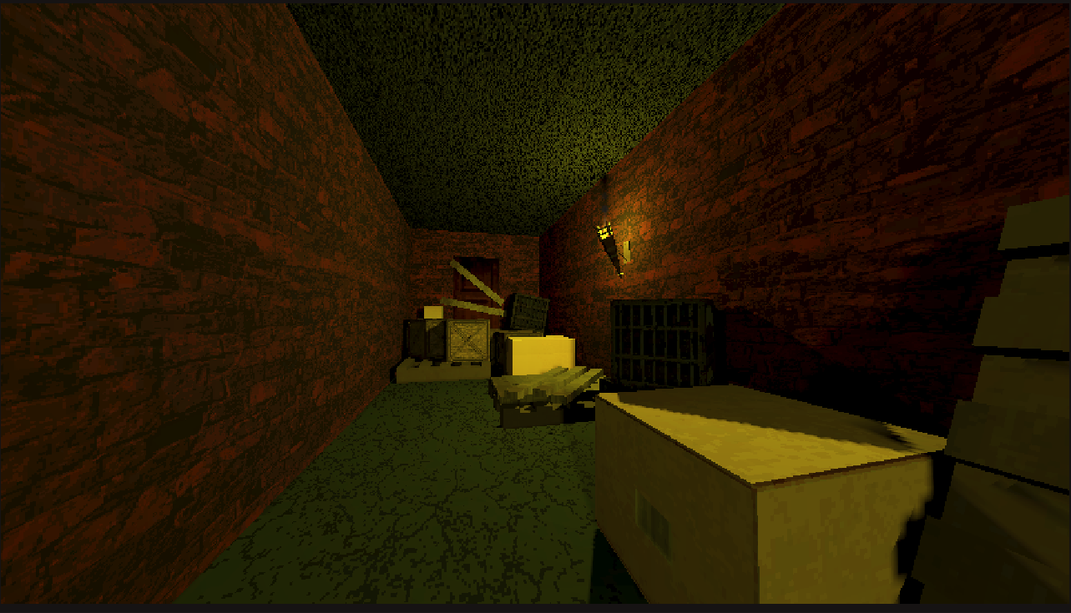 | Monastery of One is a short psychological game made for the Newgrounds 2025 Halloween Contest. Can you get all 3 endings?
Dead Air | Im_fushy - Foosh | https://store.steampowered.com/app/3382890/Dead_Air/ | 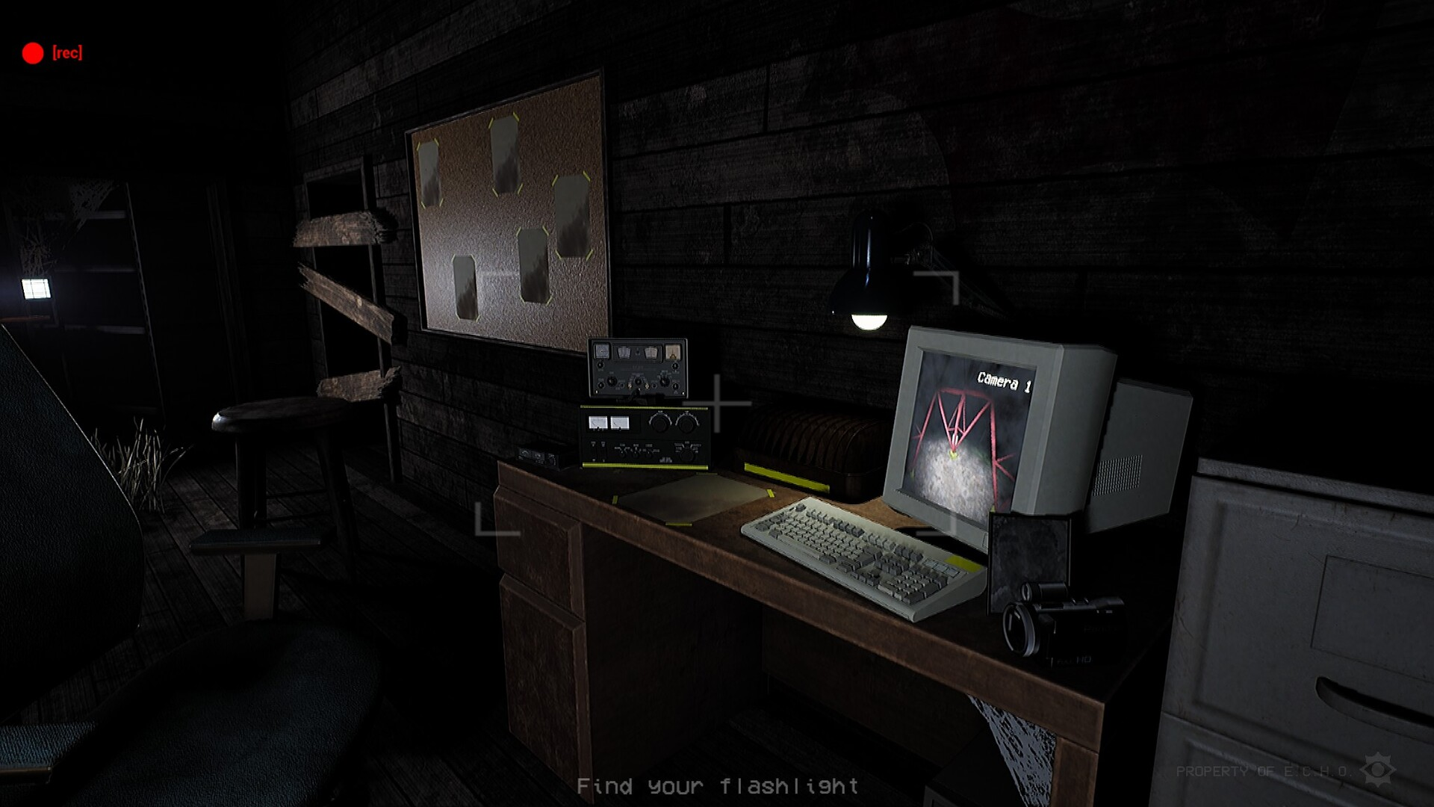 | Isolated in a forgotten Canadian forest, you must unravel the truth behind E.C.H.O. Track down lost cassettes, solve cryptic puzzles, and evade the creatures lurking in the fog. Piece together the secrets of a defunct organization.
Chapter 1: SCP 087 | Junexela - June | https://voyagerthedragon.itch.io/scp-087 | 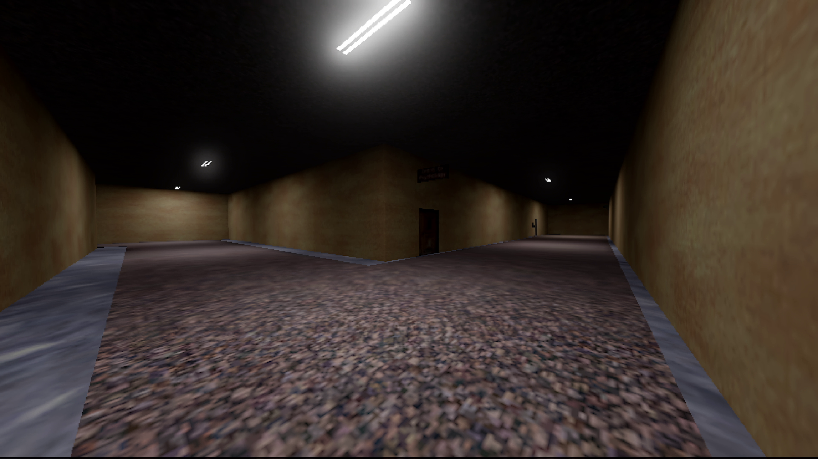 | Dr. Cantrell used to be a Level 4 researcher at the SCP Foundation. Now he has been demoted to D class - and he can't remember why. Find a way to survive your expedition into SCP 087, so you can get to the bottom of this. Explore the depths of the SCP-087, and test your wits to see if you can uncover every ending.
Ctrl Alt Deal | makachu | https://store.steampowered.com/app/2146390/Ctrl_Alt_Deal/ | 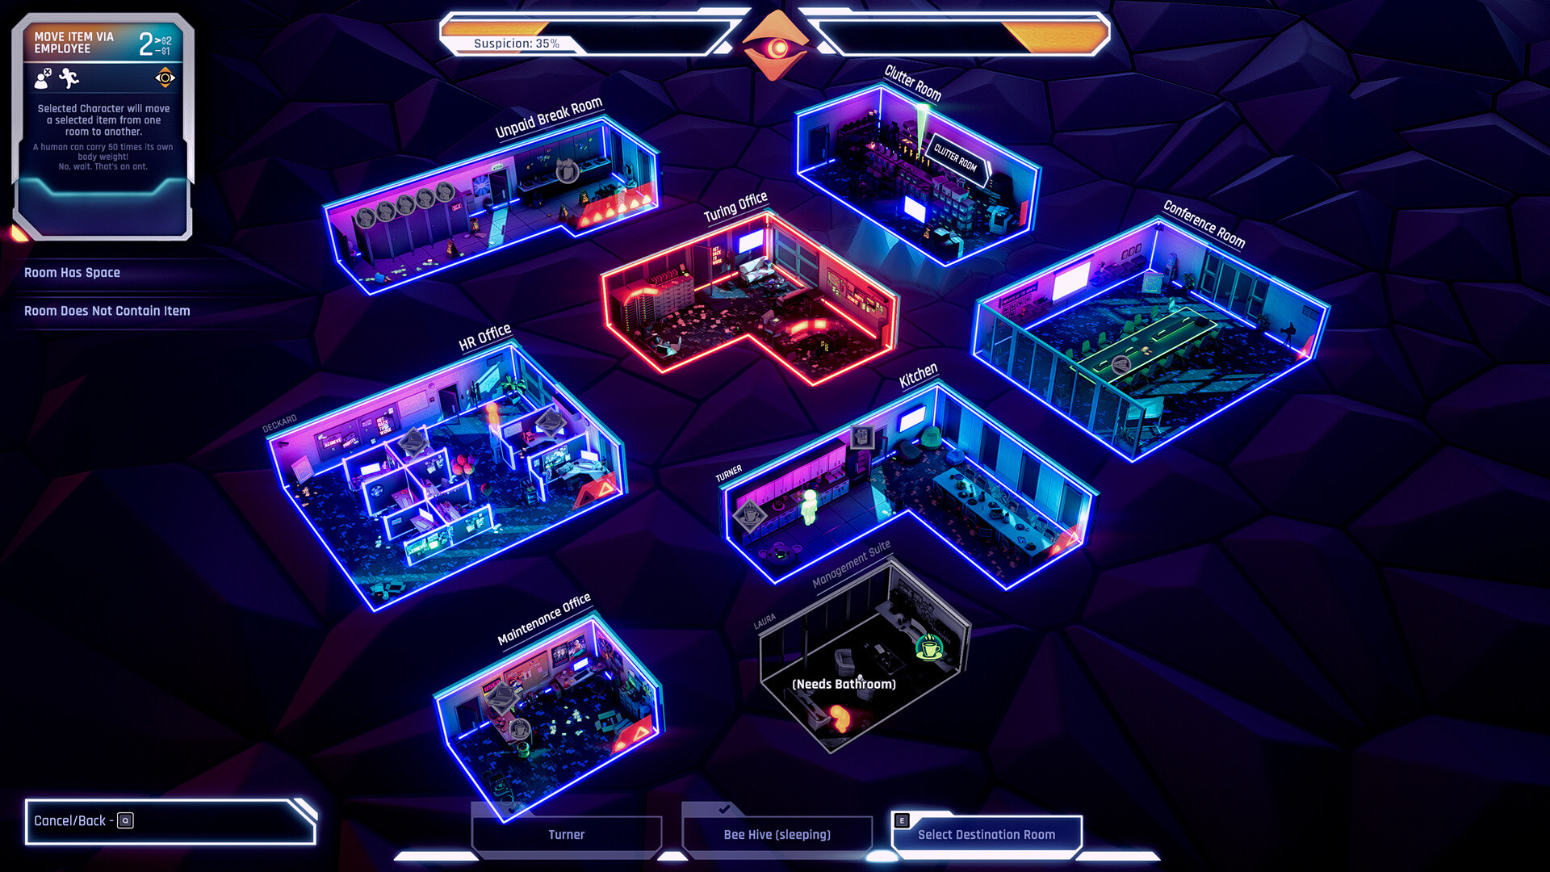 | With your superior intelligence and sneakiness, you can find a way to escape from this heartless megacorp! (As long as no one realizes you’re actually a self-aware AI...) Spy on humans, offer them deals, and negotiate your way to freedom in a turn-based strategy game of corporate dysfunction.
This Was A Nice Neighborhood | catboyjonah | https://itch.io/jam/godot-wild-jam-82/rate/3652852 |  | In this game, you operate an orbital space station design for controlled demolition that has a variety of tools to ensure everything is up and running according to schedule. During your most recent shift however, one of your most vital systems stops functioning, your orbital camera. While normally an engineer would get sent up repairs, your schedule is tight and you should be able to get the job done with what you have... Right?
Septic | Evanator - evanator05 | https://store.steampowered.com/app/3146010/Septic/ | 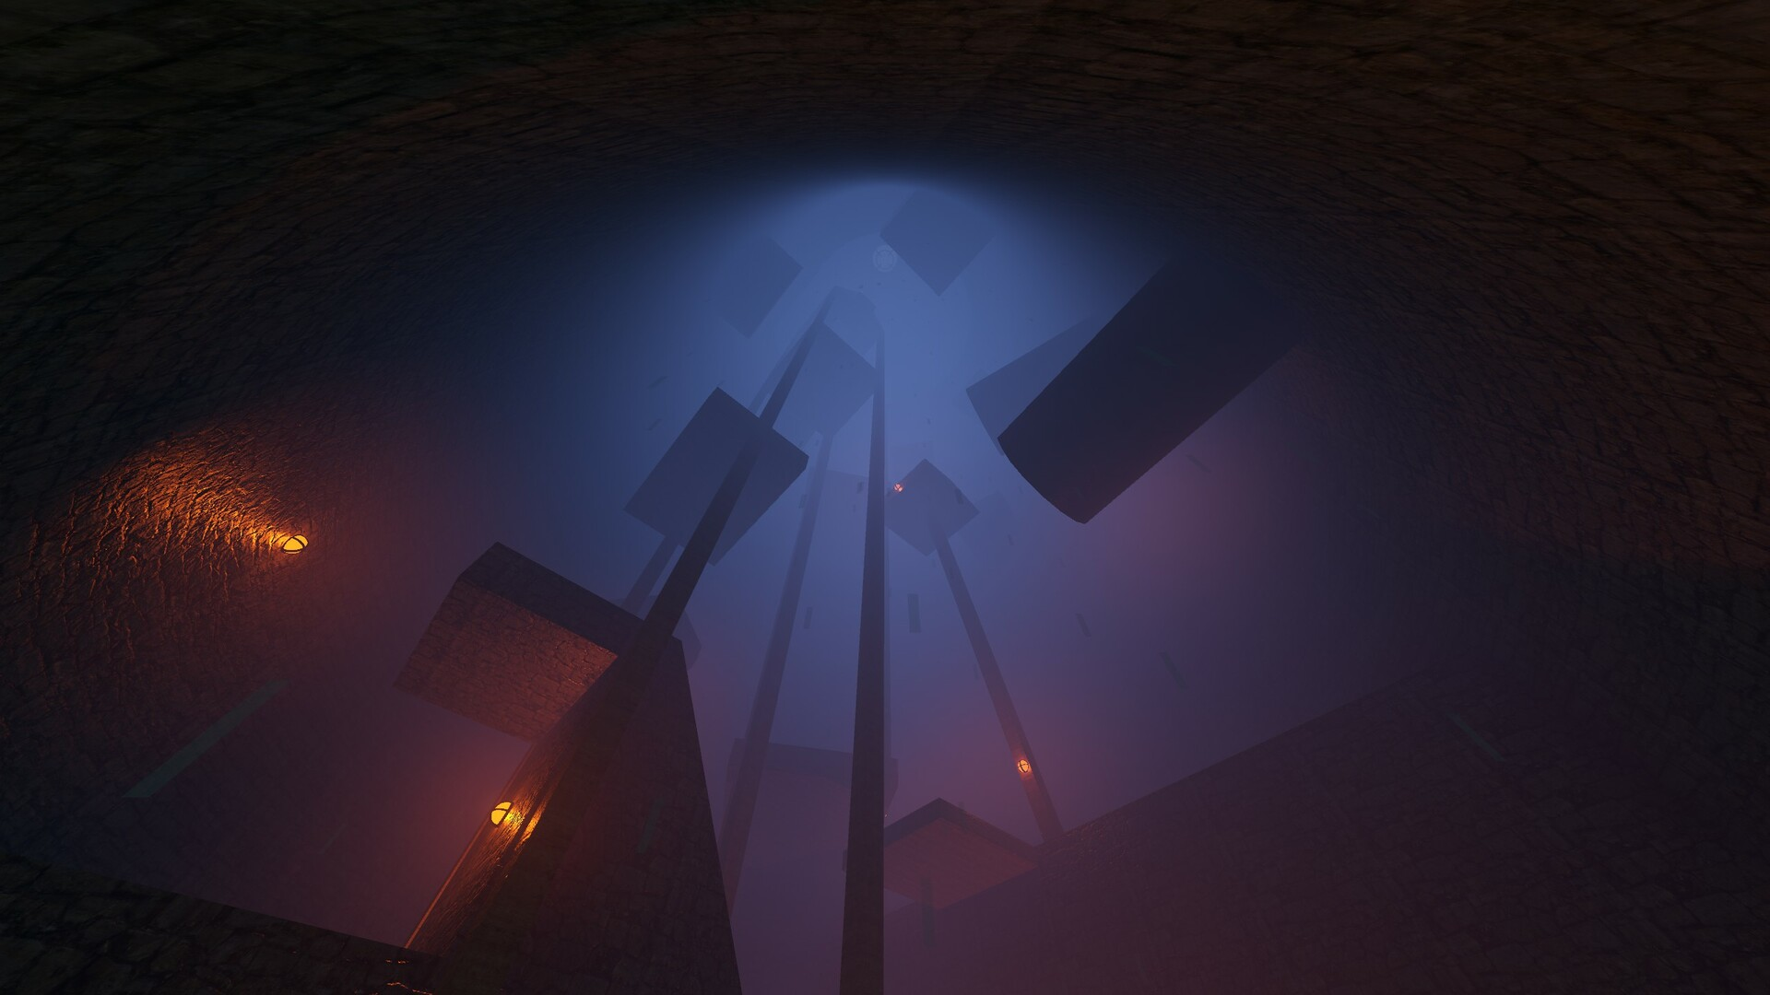 | Septic is a gripping precision platformer where you navigate an underground sewer, mastering challenging jumps and dealing with significant setbacks. Test your skills and perseverance in this intense escape adventure.
koi-samurai | Sam - semquik | https://demcknight.itch.io/koi-samurai | 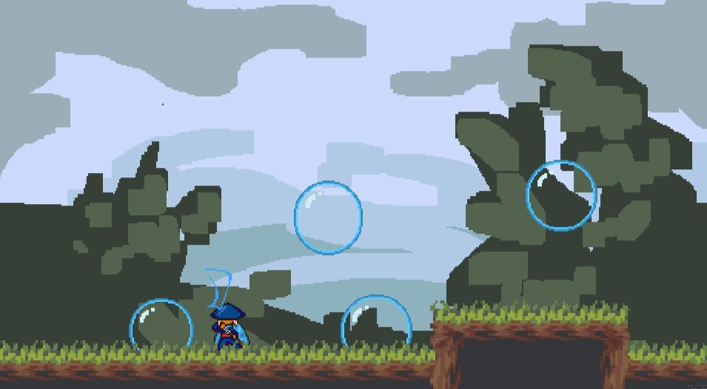 | The game is afoot! You have been informed that the Jade Emperor has promised that any koi scaling the waterfall will transform, never to struggle with land or sea again. Will your humble carpness have what it takes to overcome every obstacle with your trusty bubble wand? Samurai Koi and the Bubble Wand is a 2D platformer where you spawn bubbles and launch from them. Reach the waterfall and become a dragon!
Midnight Mash | Alex Twin | https://rogapol-interactive.itch.io/midnight-mash |  | Midnight Mash is a point and click adventure game where you control the upcoming fighter Axel "Axe" Firefist, an eager warrior, who is willing to do whatever it takes to become the world's greatest hand to hand fighter. He has never trained, but is ready to start NOW! He is a firm believer in real world experience being the best way to learn. What better place to start than a dive bar...
Midnight Echo | Jack - bluelunapixel | https://store.steampowered.com/app/3220530/Midnight_Echo/ | 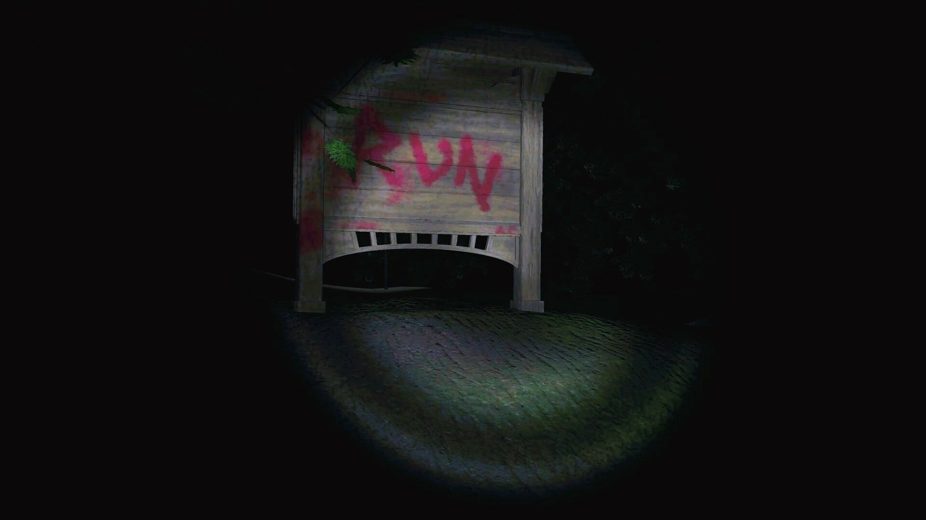 | In this first-person adventure/horror game, step into a forest where no one ever returns. Explore its haunted paths, uncover dark secrets, and gather the items you’ll need to survive. But beware—the more you discover, the more the forest will learn about you.
Under Promotion | Sam - semquik | https://samquist.itch.io/underpromotion |  | A chess-inspired puzzle game made in RPG Maker! Play as Page, a simple soldier locked in an endless struggle between two kingdoms. Transform into three forms - Knight, Bishop, and Rook - to traverse tricky puzzles and turn the tide of the war! Made for the University of Alberta's CMPUT 250 course. Winner of the University of Alberta's student award for Outstanding Game Mechanics in 2023!
Candy Quest - Gameboy color | MaxBeforeTheOne | https://maxbeforetheone.itch.io/candy-quest-demo-v3 |  | Candy Quest is a Halloween-themed platformer game for the Game Boy Color. After being summoned by the Pumpking on Halloween night, the four Pumpkids set out on a quest to collect candy and light candles to perform a mysterious potion brewing ritual for their highness. In this demo you’ll take control of PPK, (the Purple Pumpkid), and platform your way through the first world of Candy Quest, the Fall Forest. The Fall Forest features four main levels full of candy to collect, an additional bonus level with unique mechanics, and a big bad boss to defeat!
Root Scaler | Angelo - angelodevab | https://globalgamejam.org/2023/games/root-scaler-5 | 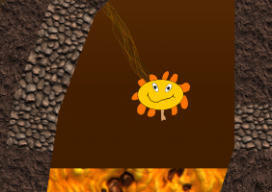 | Use your grappling root systems to climb out of the pit and away from the lava!

